Plumbing Items
BAHJAT ENTERPRISES PLUMBING ITEMS LIST
S No. | Plumbing Items List |  | Photo | Category | Brands
1 | Adaptor | Pipe Adaptor, Threaded Adaptor, Transition Adaptor, An Adaptor (also spelled Adapter) is a pipe fitting or connector used to join two components with different connection types, sizes, or materials. It is commonly used to connect threaded fittings to plain pipes, or to transition between different piping systems, Material : uPVC, CPVC, HDPE, Brass, Stainless Steel (SS 304 / SS 316), Polypropylene (PP), Male Threaded Adaptor (MTA), Female Threaded Adaptor (FTA), Socket Adaptor, Compression Adaptor, Transition Adaptor, HDPE Electrofusion Adaptor, Male Thread × Plain, Female Thread × Plain, Thread × Thread, Size : 15 mm (½") to 110 mm (4") and above, Thread Standard : BSP, BSPT, NPT (application dependent), Borewell Adaptor, Compression Adaptor, HDPE Flange Adaptor, Pipe Adaptor, | 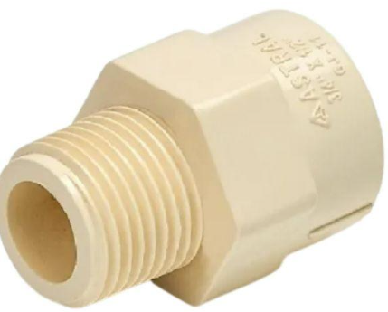 | Compression Fittings | Ashirvad Pipes
2 | Ball Valve | Quarter-Turn Valve, Shut-Off Ball Valve, A Ball Valve is a quarter-turn shut-off valve that uses a rotating ball with a central bore to control the flow of liquids or gases. When the handle is turned 90°, the bore aligns with the pipeline to allow flow or turns perpendicular to stop flow. Ball valves are known for their quick operation, tight sealing, and long service life, Material : Brass, Stainless Steel (SS 304 / SS 316), Carbon Steel, PVC / uPVC / CPVC, Cast Iron (special applications), PPR Ball Valve, Material : Chrome-Plated Brass / Stainless Steel, Seat Material : PTFE (Teflon), RPTFE, Connection Type : Threaded (BSP/NPT), Socket, Flanged, Weld End, Size Range : 15 mm (½") to 300 mm (12") and above, Type : Full Port Ball Valve, Reduced Port Ball Valve, Two-Piece Ball Valve, Three-Piece Ball Valve, Mini Ball Valve, Three-Way Ball Valve (L-Port / T-Port), Flanged Ball Valve, Threaded Ball Valve, PVC Ball Valve, Stainless Steel Ball Valve, Actuated Ball Valve (Pneumatic/Electric), Motorized Ball Valve, Gas Ball Valve, PN10, PN16, PN25, PN40 / Class 150, 300, 600 | 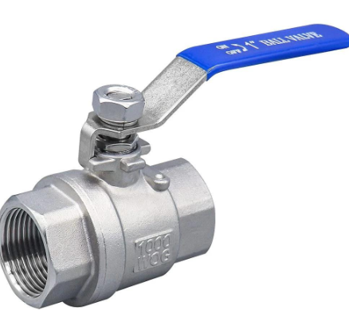 | Hose Connector | Supreme Industries
7 | Flush Valve | A Flush Valve is a plumbing valve that releases a controlled quantity of water to flush a toilet or urinal. It opens when the flush mechanism is operated and closes automatically after the required amount of water has been discharged, Body Material : Brass, Stainless Steel, ABS / Engineering Plastic, EPDM / Silicone seals, Connection Size : 15 mm (½") to 40 mm (1½"), Operation : Push Button / Lever / Pneumatic / Sensor, Installation : Cistern / Concealed / Exposed, Type : Single Flush Valve, Dual Flush Valve, Concealed Flush Valve, Exposed Flush Valve, Pneumatic Flush Valve, Sensor/Electronic Flush Valve, Urinal Flush Valve, |  | Shower Accessories | Kisan Mouldings
8 | Angle Valve | Angle Stop Valve, Angle Cock, Stop Valve, An Angle Valve is a plumbing shut-off valve in which the inlet and outlet are positioned at approximately 90° to each other. It is commonly used to control water supply to wash basins, toilets, sinks, and other sanitary fixtures, Body Material : Brass, Stainless Steel, ABS, Finish : Chrome Plated / Nickel Plated, Connection : Threaded / Compression, Common Size : 15 mm (½"), 20 mm (¾"), Outlet : ½" / ⅜" / ¾" depending on model, Operation : Handle / Lever, Pressure Rating : PN10 / PN16, Type : Brass Angle Valve, Chrome-Plated Angle Valve, Angle Stop Valve, Angle Ball Valve, Ceramic Disc Angle Valve, Dual-Outlet Angle Valve, Angle Valve with Hose Connection, |  | Water Tank Accessories | Captain Pipes
12 | Stop Valve | Shut-Off Valve, Isolation Valve, A Stop Valve is a manual shut-off valve used to completely stop or allow the flow of water or other fluids in a pipeline. It is commonly installed to isolate individual fixtures, equipment, or sections of a piping system for maintenance, Type : Straight Stop Valve, Angle Stop Valve, Globe-Type Stop Valve, Ball Stop Valve, Gate Stop Valve, Flanged Stop Valve, Threaded Stop Valve, Body Material : Brass, Bronze, Cast Iron, Ductile Iron, SS, Connection : Threaded / Flanged, Size : 15 mm (½") to 300 mm (12"), Pressure Rating : PN10, PN16, PN25, Operation : Handwheel / Lever, Seat : PTFE / EPDM / NBR / Metal, Application : Water, Air & Industrial Fluids, | 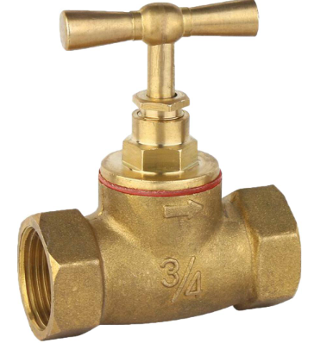 | Sewer Items | Jaquar
13 | Angle Stop Valve | Angle Valve, Angle Stop Cock, An Angle Stop Valve is a manual shut-off valve with the inlet and outlet positioned at approximately 90°. It is mainly used to independently control the water supply to sanitary fixtures such as wash basins, toilets, sinks, and geysers, Body Material : Brass / SS / ABS, Finish : Chrome / Nickel Plated, Connection : Threaded / Compression, Size : ½" × ½", ½" × ⅜", Operation : Handwheel / Lever / Quarter-Turn, Pressure Rating : PN10 / PN16, Type : Brass Angle Stop Valve, Chrome-Plated Angle Stop Valve, Quarter-Turn Angle Stop Valve, Ceramic Disc Angle Stop Valve, Dual-Outlet Angle Stop Valve, Angle Stop Valve with Hose Connector, | 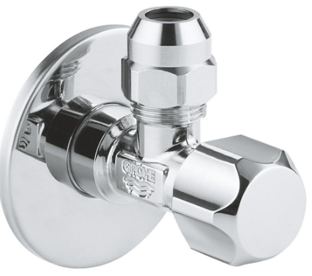 | Water Supply | Hindware
15 | Water Outlet Valve | A Water Outlet Valve is a valve installed at the water discharge/outlet point of a tank, pipeline, or water system to control, isolate, or regulate the flow of water, Body Material : Brass / SS / PVC / CPVC / DI, Connection : Threaded / Flanged / Socket, Size : 15 mm (½") to 300 mm (12"), Operation : Lever / Handwheel / Gear, Pressure Rating : PN10 / PN16 / PN25, Type : Water Outlet Ball Valve, Water Outlet Gate Valve, Water Outlet Globe Valve, Water Outlet Butterfly Valve, Tank Outlet Valve, Drain/Outlet Valve, |  | Pumps | Kerovit
16 | Hose Bib Valve | Hose Bibb, Hose Cock, Bib Tap, A Hose Bib Valve is an outdoor water supply shut-off valve with a threaded hose connection. It allows a hose to be connected directly for watering, washing, cleaning, or other utility-water applications, Body Material : Brass / Bronze / Stainless Steel, Finish : Chrome / Nickel / Natural Brass, Inlet Connection : ½" / ¾" BSP or NPT, Outlet : Hose Thread, Operation : Handle / Quarter-Turn, Pressure Rating : PN10 / PN16, Type : Brass Hose Bib Valve, Quarter-Turn Hose Bib, Frost-Proof Hose Bib, Anti-Siphon Hose Bib, Wall-Mounted Hose Bib, Lockable Hose Bib, | 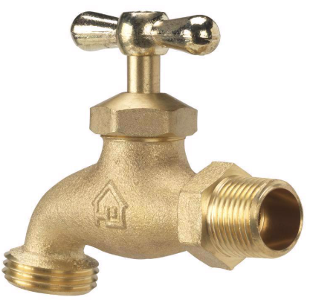 | Plumbing Consumable | Kajaria Ceramics
17 | Hose Bib Tap | A Hose Bib Tap is an outdoor/service water tap with a threaded outlet designed for connecting a hose. It is commonly used for gardens, cleaning areas, utility rooms, and water supply points, Material : Brass / SS, Connection : ½", ¾" BSP/NPT, Outlet : Hose-threaded outlet, Type : Bib cock / angle type / straight type, Handle : Lever / wheel, |  | Safety & Testing | Ess Ess
23 | Mini Stop Cock | A mini stop cock is a compact shut-off valve used to control or isolate the water supply to individual plumbing fixtures and appliances. It allows the water supply to be turned on or off without shutting down the entire plumbing system, Type : Straight mini stop cock, Angle mini stop cock, Quarter-turn mini stop cock, Ceramic cartridge mini stop cock, Materials: Brass, Stainless steel, Chrome-plated brass, |  | Water Heating | Viega
24 | Angle Cock | An Angle Cock is a plumbing shut-off valve installed where the water supply line changes direction, typically 90°, such as at a wash basin, toilet, or sink, Chrome-plated brass 90° water supply shut-off valve with threaded inlet and outlet, suitable for sanitary and plumbing applications, Material : Brass / SS, Finish : Chrome plated / matte, Size : ½" × ½", ½" × ¾", Type : Single outlet / dual outlet, Handle : Knob / lever, |  | Toilet & Basin Spare Parts | Roca
25 | Pipe Joint Compound | A jointing compound is a sealing material used to fill gaps and create leak-proof joints between threaded pipes, fittings, flanges, and other connected components. It improves sealing performance and helps prevent fluid or gas leakage, Type : Pipe jointing compound, Thread sealing compound, Non-hardening jointing compound, High-temperature jointing compound, PTFE-based sealing compound, Materials used in formulations: PTFE, Graphite, Mineral fillers, Synthetic resins, Petroleum-based compounds, |  | Gas & Utility Fittings | TOTO
26 | Thread Locking Compound | A thread locking compound is an adhesive applied to threaded fasteners such as bolts, nuts, and screws to prevent loosening caused by vibration, shock, thermal expansion, and mechanical stress, Type : Low-strength thread locker, Medium-strength thread locker, High-strength thread locker, Wicking-grade thread locker, Strength : Low, Medium, High, Wicking, Material : Steel, Stainless steel, Brass, Aluminum, |  | Plumbing Chemicals | Kohler
27 | Anti Seize Compound | An Anti-Seize Compound is a protective paste applied to threads, bolts, nuts, studs, and other metal contact surfaces to prevent seizing, galling, corrosion, and difficult dismantling, High-temperature protective compound for application on threaded fasteners and metal contact surfaces to prevent seizure, galling and corrosion during assembly and dismantling, Type : Copper / Nickel / Aluminium / Ceramic, Temperature : Standard / High-temperature, Properties : Anti-corrosion & heat resistant, |  | Miscellaneous | American Standard
29 | Close Nipple | Close Nipple is a short piece of threaded pipe used to connect two female-threaded fittings, valves, or pipes. It is called a close nipple because it has threads along almost its entire length, leaving little or no unthreaded section between the connections, Material : Brass, Stainless steel, Carbon steel, Galvanized iron (GI), PVC, Size : 1/8 inch - 6 mm, 1/4 inch - 8 mm, 3/8 inch - 10 mm, 1/2 inch - 15 mm, 3/4 inch - 20 mm, 1 inch - 25 mm, |  | Bathroom Installation Accessories | Moen
30 | Hex Nipple | Hex Nipple (Galvanized Iron Hex Nipple) is a threaded pipe fitting with male threads on both ends and a hexagonal section in the center. The hexagonal body allows the fitting to be easily tightened or removed with a wrench, Type : Equal GI hex nipple, Reducing GI hex nipple, Heavy-duty GI hex nipple, BSP-thread GI hex nipple, NPT-thread GI hex nipple, Materials : Brass, Galvanized iron, Carbon steel with a zinc coating, Malleable iron, Size : 1/8 inch - 6 mm, 1/4 inch - 8 mm, 3/8 inch - 10 mm, 1/2 inch - 15 mm, 3/4 inch - 20 mm, 1 inch - 25 mm, 1¼ inch - 32 mm, 1½ inch - 40 mm, 2 inch - 50 mm, | 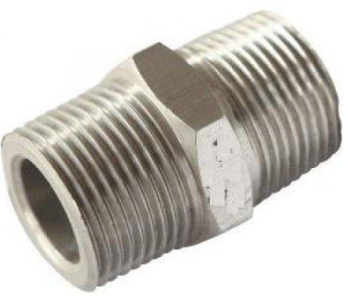 | Sink & Kitchen Plumbing | Sloan
31 | Long Nipple | Long Nipple is a threaded pipe fitting used to connect two female-threaded pipes, fittings, or valves when a greater distance or extension is required. It is longer than a standard pipe nipple and usually has male threads on both ends, Type : Brass long nipple, GI (Galvanized Iron) long nipple, Stainless steel long nipple, PVC long nipple, Reducing long nipple, Size : 1/8 inch - 6 mm, 1/4 inch - 8 mm, 3/8 inch - 10 mm, 1/2 inch - 15 mm, 3/4 inch - 20 mm, 1 inch - 25 mm, 1¼ inch - 32 mm, 1½ inch - 40 mm, 2 inch - 50 mm, |  | Water Storage Accessories | Watts Water Technologies
32 | Reducing Nipple | Reducing Nipple is a threaded pipe fitting used to connect two female-threaded pipes or fittings of different sizes. It has male threads on both ends, with one end larger than the other, allowing the pipe size to be reduced within a piping system, Type : Brass reducing nipple, GI (Galvanized Iron) reducing nipple, Stainless steel reducing nipple, PVC reducing nipple, Hex reducing nipple, Large end : 3/4 × 1/2 inch, 1 × 3/4 inch, 1¼ × 1 inch, 1½ × 1¼ inch, 2 × 1½ inch, Small end : 20 × 15 mm, 25 × 20 mm, 32 × 25 mm, 40 × 32 mm, 50 × 40 mm, |  | Pipe Support & Fastner | Zurn Elkay
33 | Barrel Nipple | A Barrel Nipple is a short, straight pipe fitting with male threads on both ends, used to connect two female-threaded pipes, valves, or fittings, Barrel Nipple – Straight threaded pipe nipple with male threads at both ends, suitable for connecting female-threaded pipes/fittings, material, size and thread standard as specified, Function : Straight male × male, Material : Brass / SS / GI / Carbon Steel, Thread : BSP / NPT, Size : ¼", ⅜", ½", ¾", 1", 1½", 2" etc, Length : Short / standard / custom, |  | Drain Cleaning Product | Wavin
35 | Wash Basin | Wash Basin (also called a hand basin, wash sink, or lavatory) is a sanitary fixture used for washing hands, face, and other personal hygiene activities. It is commonly installed in bathrooms, washrooms, kitchens, hospitals, and commercial buildings, Type : Wall-mounted basin – Fixed directly to the wall, Pedestal basin – Supported by a pedestal that conceals the plumbing, Countertop basin – Installed on top of a counter or vanity, Under-mount basin – Installed beneath the countertop, Semi-recessed basin – Partially recessed into a cabinet or countertop, Corner basin – Designed for installation in corners to save space, Materials : Ceramic, Vitreous china, Porcelain, Stainless steel, Glass, Natural stone, Solid surface materials, Sizes : Basin width : 400–500 mm, 500–600 mm, 600–800 mm, 800 mm and above, | 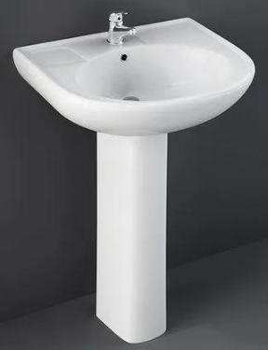 | Industrial Plumbing Items | John Guest
40 | Basin Mixer SS | A Basin Mixer SS is a stainless-steel wash-basin mixer tap that combines hot and cold water into a single controlled outlet, Basin Mixer SS – Stainless-steel wash-basin mixer tap, preferably SS 304, single-lever type with hot/cold water mixing and deck-mounted installation, complete with suitable accessories, Function : Mixes hot & cold water, Material : Stainless Steel, Grade : SS 304 / SS 316, Type ; Single lever / Two-handle, Installation ; Deck mounted, Finish : Polished / Brushed, |  | Flexiable Connection | McAlpine
46 | Pipe Clip With Nail | A pipe clip with a nail is a fastening device used to secure pipes, tubes, or electrical conduits directly to walls, ceilings, or other surfaces. The clip includes a pre-attached nail that allows for quick and easy installation, Material : Polypropylene (PP), PVC, Nylon, Hardened steel (nail), Stainless steel (in some models), Type : Round Pipe Clip With Nail, Flat Cable and Pipe Clip With Nail, Double Pipe Clip With Nail, Heavy-Duty Pipe Clip With Nail, Clip Size : 16 mm, 20 mm, 25 mm, 32 mm, 40 mm, |  | Pipe Repair & Maintainance | Valsir
47 | Pipe Saddle Clip | A pipe saddle clip is a pipe support and fastening device used to secure pipes, tubes, and conduits to walls, ceilings, or other flat surfaces. Its curved, saddle-shaped design fits around the pipe and holds it firmly in place, Material : PVC, Polypropylene (PP), Galvanized steel, Stainless steel, Aluminum, Type : Single Pipe Saddle Clip, Double Pipe Saddle Clip, PVC Saddle Clip, Metal Saddle Clip, Spacer Saddle Clip Clip Size : 16 mm, 20 mm, 25 mm, 32 mm, 40 mm, 50 mm, |  | Copper Plumbing | Franke
50 | Hose Clamp Heavy Duty | A heavy-duty hose clamp is a high-strength fastening device used to secure large hoses to pipes, fittings, and connectors in high-pressure and demanding applications. It provides greater clamping force than a standard hose clamp, ensuring a secure and leak-resistant connection, Material " Stainless steel (SS 304, SS 316), Carbon steel, Zinc-plated steel, Galvanized steel, T-Bolt Hose Clamp, Double-Bolt Hose Clamp, Constant-Tension Hose Clamp, Lined Heavy-Duty Hose Clamp, Hose Diameter : 25–40 mm, 40–60 mm, 60–90 mm, 90–120 mm, 120–200 mm |  | Stainless Steel Plumbing Product | (51–100)
57 | U Clamp | A U clamp is a U-shaped fastening device used to secure pipes, tubes, rods, cables, and other cylindrical objects to a wall, ceiling, support frame, or structural surface, The clamp wraps around the object and is tightened with nuts and bolts to hold it firmly in place, Material : Stainless steel, Galvanized iron (GI), Carbon steel, Brass, PVC-coated steel, Type : Standard U Clamp, Square U Clamp, Rubber-Lined U Clamp, Heavy-Duty U Clamp, Exhaust U Clamp, Pipe Size : ½ in (15 mm), ¾ in (20 mm), 1 in (25 mm), 2 in (50 mm), 4 in (100 mm), U Clamp Diameter : 16–18 mm, 20–22 mm, 25–27 mm, 50–52 mm, 100–102 mm, |  | Bathroom Hardware | Texmo Industries
58 | Wall Clamp | A wall clamp is a fastening device used to secure pipes, tubes, conduits, cables, or structural components to a wall or other vertical surface. It provides support, prevents movement, and helps maintain proper alignment, Material : Mild steel, Copper, Galvanized iron (GI), Stainless steel, Aluminum, PVC, TYPE : Pipe Wall Clamp, Conduit Wall Clamp, U-Clamp, Split Ring Clamp, Rubber-Lined Clamp, Pipe Diameter : ½ in (15 mm), ¾ in (20 mm), 1 in (25 mm), 2 in (50 mm), 4 in (100 mm), Clamp Sizes : 16–18 mm, 20–22 mm, 25–27 mm, 50–52 mm, 100–102 mm, |  | Utility Laundry | Crompton
62 | Braided Flexiable Hose | A Braided Flexible Hose is a flexible hose reinforced with a braided metal or synthetic layer, used for reliable connections in water, plumbing, sanitary, and other fluid applicationsBraided Flexible Hose – Reinforced flexible hose with stainless-steel/synthetic braided outer layer and suitable threaded end connections, for water/plumbing applications, size and length as specified, Outer braid : SS / synthetic fiber, Inner tube : EPDM / PVC / rubber, Connection : BSP / NPT threaded end, Size : ¼", ⅜", ½", ¾", Length : 300, 450, 600, 900 mm, |  | Cast Iron Drainage | Racold
63 | Air Hose | An Air Hose is a flexible hose used to carry compressed air from an air compressor or air supply line to pneumatic tools, machinery, and equipment, Air Hose – Flexible reinforced hose suitable for compressed-air applications, complete with compatible end fittings/couplings, size, length and working pressure as specified, Material : PU / PVC / Rubber / Nylon, Size : ¼", ⅜", ½", ¾" etc, Length : 5 m, 10 m, 15 m, 30 m etc, Type : Straight / coiled / reinforced, Fittings : Quick coupling / threaded fittings, |  | Hose & Irrigation | V-Guard
64 | Lay Flat Hose | A lay flat hose is a flexible hose designed to collapse and lie flat when not in use and expand when filled with water or other fluids. It is lightweight, easy to transport, and commonly used for fluid transfer applications, Types of lay flat hoses: PVC lay flat hose, Rubber lay flat hose, Polyurethane lay flat hose, Heavy-duty discharge hose, Sizes: 1 inch, 1½ inch, 2 inch, 3 inch, 4 inch, 6 inch, 8 inch, Materials: Polyvinyl chloride (PVC), Rubber, Polyurethane (PU), Polyester-reinforced fabric, |  | Tank & Pump Accessories | AO Smith
65 | Nylon Braided Hose | A nylon braided hose is a flexible hose reinforced with an outer layer of woven nylon fibers. The braided construction increases the hose's strength, pressure resistance, flexibility, and durability, Type : Water supply hose, Faucet connection hose, RO braided hose, High-pressure braided hose, Flexible connector hose, Sizes: 1/4 inch, 3/8 inch, 1/2 inch, 3/4 inch, 1 inch, |  | Commercial Washroom | Polycab
68 | PVC Braided Hose | A PVC braided hose is a flexible hose reinforced with a braided fiber layer between the inner and outer PVC layers. The reinforcement increases the hose's strength, pressure resistance, and durability while maintaining flexibility, Types of PVC braided hoses: Water hose, Air hose, Food-grade hose, Chemical-resistant hose, High-pressure braided hose, Sizes: 1/4 inch, 3/8 inch, 1/2 inch, 3/4 inch, 1 inch, Materials: Polyvinyl chloride (PVC), Polyester fiber reinforcement, Nylon reinforcement (in some designs), |  | Plumbing Installation Material | Skipper
71 | Kitchen Sink | A Kitchen Sink is a sink used for washing dishes, vegetables, food preparation, and general kitchen cleaning, Materials: SS, granite composite, ceramic, Types: Single bowl, double bowl, triple bowl Sizes: 18", 24", 30", 32", 36",Use: Residential and commercial kitchens |  | Pipe Threading & Joining | APL Apollo
73 | Sink Mixer Tap | A Sink Mixer Tap is a faucet that combines hot and cold water into a single outlet. The user can control the water flow and temperature using one or two handles, Material: Brass, SS, chrome-plated brass, Types: Single-lever, two-handle, pull-out, swivel spout, Connections: Usually hot/cold flexible inlet hoses, Use: Kitchen sinks, utility sinks, and wash areas |  | Water Treatment Plant Component | Saint-Gobain PAM
77 | Utility Hose | A utility hose is a multipurpose flexible hose designed to transfer water, air, light chemicals, and other non-corrosive fluids in residential, commercial, agricultural, and industrial applications, Types : PVC utility hose, Rubber utility hose, Reinforced utility hose, Multipurpose industrial hose, Air and water utility hose, Materials: PVC (Polyvinyl Chloride), Rubber, Polyurethane (PU), Polyethylene (PE), Synthetic reinforcement fibers, Sizes: 1/4 inch, 3/8 inch, 1/2 inch, 3/4 inch, 1 inch, 2 inch, |  | Drainage Accessories | AKG Group
81 | Faucet Spray Hose | A faucet spray hose is a flexible hose that connects a spray head to a kitchen or bathroom faucet, allowing water to be directed more easily for cleaning, rinsing, and washing, Types of faucet spray hoses: Pull-out spray hose, Pull-down spray hose, Replacement spray hose, Braided spray hose, Materials: PVC (Polyvinyl Chloride), Nylon, EPDM rubber, Stainless steel braid, Brass or plastic fittings, Lengths: 1 m, 1.2 m, 1.5 m, 1.8 m, 2 m, Sizes: 1/2-inch connection, 3/8-inch connection, |  | Pipe Clamp & Support | Pidilite Industries
83 | Flex Hose & Pipes | Flexible hoses and pipes are tubing systems designed to transport liquids, gases, air, steam, chemicals, and other materials while allowing movement, vibration absorption, and easy installation, Types of flexible hoses and pipes: PVC braided hose, Nylon braided hose, Stainless steel flexible hose, Rubber hose, Spiral hose, Suction hose, Lay-flat hose, Chemical-resistant hose, Steam hose, Drain hose, Materials: PVC (Polyvinyl Chloride), Rubber, Stainless steel, Nylon, Polyurethane (PU), Polyethylene (PE), EPDM rubber, Sizes: 1/4 inch, 3/8 inch, 1/2 inch, 3/4 inch, 1 inch, 1½ inch, 2 inch, 4 inch, Braided hose for Water Supply, Suction hose for Pump System, Chemical hose for Chemical Transfer, Steam hose for Steam Distribution, Drain hose for waste Water disposal, Spiral hose for Air & Water transfer. | 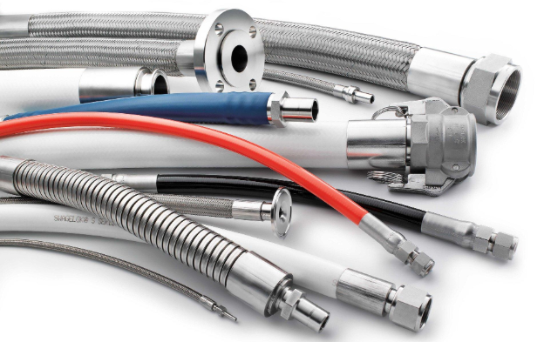 | Bathroom Plumbing | Henkel
85 | Basin Flex Hose | A Basin Flex Hose is a flexible water-supply connection used to connect a wash-basin tap or mixer to the water supply/angle cock. Its flexibility makes installation easier where rigid piping cannot be aligned directly, Basin Flex Hose – Flexible braided water-supply hose with suitable threaded end connections for connecting wash-basin tap/mixer to angle cock, size and length as specified, Type : Braided flexible hose, Material : SS braided / EPDM / PVC, Connection : Female × Female / Male × Female, Size : ½", Length : 300 / 450 / 600 / 750 mm |  | Drainage Products | Resideo
89 | Cross | A Brass Cross is a four-way pipe fitting used to connect four pipes or fittings at right angles, typically with one inlet and three outlets, Material: Brass, GI, Shape: Cross / 4-way, vConnection: Threaded, vCommon sizes: ½", ¾", 1", 1¼", 1½", 2", vTypes: Equal Cross / Reducing Cross, |  | Valve Accessories | RIDGID
90 | CPVC Cross | A CPVC Four-Way Cross, Cross Tee is a four-way CPVC pipe fitting used to connect four CPVC pipes at 90° to each other. It is commonly used to create branch connections in hot and cold water distribution systems, Size : 15 mm, 20 mm, 25 mm, 32 mm, 40 mm, 50 mm, Color : Cream / Off-White (manufacturer dependent) |  | Instrumentation | REMS
91 | Equal Cross | An equal cross is a four-way pipe fitting used to connect four pipes of the same diameter. It allows fluid to flow in four different directions from a central connection point, Unlike a reducing cross, all four openings of an equal cross have the same size, Material : Brass, PVC, CPVC, Stainless steel, Cast iron, Galvanized iron (GI) Type : Threaded Equal Cross, Socket Equal Cross, Welded Equal Cross, Compression Equal Cross Typical Size : ½ in 15 mm, ¾ in 20 mm, 1 in 25 mm, 1¼ in 32 mm, 1½ in 40 mm, 2 in 50 mm, |  | Workshop & Installation | Rothenberger
93 | Brass Hose Connector | A Brass Hose Connector is a fitting used to connect a flexible hose to a pipe, tap, valve, or another hose, Material: Brass, Connection: Threaded / Hose Tail / Barb, Common sizes: ½", ¾", 1", Types: Hose Tail Connector, Threaded Hose Connector, Male/Female Hose Connector, |  | Plumbing Fastner | Bahco
94 | Double Ball Sink Connector | A Double Ball Sink Connector is a plumbing fitting that has two independent ball valves connected to a single water supply point. It allows two fixtures or appliances to receive water while each outlet can be turned on or off separately, Material: Brass body with chrome plating or stainless steel, Inlet Size: 1/2" BSP (15 mm) female, Outlet Size: Usually 1/2" BSP or 3/8" BSP male, Valves: Two independent quarter-turn ball valves, Working Pressure: Typically 10–16 bar, Application: Hot and cold potable water systems, Inlet Thread : 1/2" BSP Female, Outlet Thread : 1/2" BSP Male or 3/8" BSP, Material : Brass, Chrome-Plated Brass, Stainless Steel, Valve Type : Quarter-Turn Ball Valve, Application : Kitchen Sink, Wash Basin, RO, Dishwasher, Washing Machine | 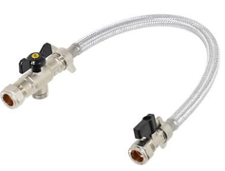 | Utility Valve | Stanley
104 | Brass Hose Nozzle | A Brass Hose Nozzle is a nozzle fitted at the end of a hose to control, direct, and adjust the water spray or jet,Material: Brass, Connection: Hose tail / threaded connection, Function: Water jet / spray control, Types: Jet Nozzle, Spray Nozzle, Adjustable Nozzle,
105 | Brass Hose Union | A Brass Hose Union is a detachable fitting used to connect two hose sections or connect a hose to a pipe/fitting, while allowing easy disconnection for maintenance, Material: Brass, Connection: Hose tail / threaded / union connection, Function: Joining and disconnecting hose lines, Common sizes: ½", ¾", 1", 1¼", 1½", 2",
106 | Union | Pipe Union, Plumbing Union, Union Fitting, A Pipe Union is a plumbing fitting used to connect two pipes and allow easy disconnection without rotating or moving the pipes, Type: Detachable pipe fitting, Material: Brass, GI, SS, PVC, CPVC, PPR, UPVC, Copper, Connection: Threaded, solvent-weld, or compression type, type: Brass Union, GI Union, PVC Union, CPVC Union, SS Union,
107 | Brass Locknut | A Brass Locknut is a threaded nut used to secure a fitting, valve, pipe component, or threaded connection in position and prevent it from loosening, Material: Brass, Type: Threaded nut, Shape: Hexagonal / Round, depending on application, Function: Locking and securing threaded fittings, Common sizes: ½", ¾", 1", 1¼", 1½", 2"
110 | O Ring Kit | O-Ring Seal Kit, Rubber O-Ring Set, O-Ring Assortment Kit, An O-Ring Kit is a collection of rubber sealing rings in different sizes and thicknesses, used to replace worn or damaged seals, Type: Assorted O-ring seal set, Material: EPDM, NBR, silicone, Viton/FKM, depending on the kit, ,Size ; For plumbing/RO applications, an O-ring kit may contain various sizes. Common sizes include: Size Approx. ID × Cross Section 6 × 1.5 mm, 8 × 1.5 mm, 10 × 2 mm, 12 × 2 mm, 14 × 2 mm, 16 × 2 mm, 18 × 2.5 mm, 20 × 2.5 mm, 22 × 2.5 mm, 24 × 3 mm, 28 × 3 mm, 30 × 3 mm, Important: O-rings are specified by Inside Diameter (ID) × Cross Section (CS), not just by pipe size, For a Filter Housing O-Ring, the exact size depends on the housing model. | 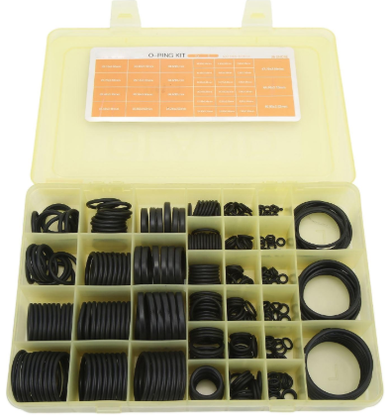
111 | Brass Pipe Socket | A Brass Pipe Socket is a threaded fitting used to join two pipes or fittings with male threads. It normally has female threads on both sides, Male Thread → Brass Pipe Socket → Male Thread, Material: Brass, Connection: Female × Female, Shape: Short cylindrical fitting, Function: Joining two threaded pipes/fittings, Common sizes: ½", ¾", 1", 1¼", 1½", 2", Types: Equal Socket / Reducing Socket,
112 | Double Socket | Socket Coupling, Double Socket Coupling, Straight Coupler, A Double Socket is a pipe coupling fitting with a socket (female) connection at both ends, used to join two pipes of the same diameter in a straight line. It is commonly used in plumbing, water supply, drainage, irrigation, and industrial piping systems, Material : uPVC, CPVC, PVC, HDPE, Ductile Iron, GI, Cast Iron, Brass (special applications), Connection : Socket × Socket, Size : 15 mm–315 mm (material dependent), Joint Type : Solvent Weld, Push-Fit, Rubber Ring, Fusion (HDPE), Type : uPVC Double Socket, CPVC Double Socket, HDPE Double Socket, Ductile Iron Double Socket, Rubber Ring Double Socket, Solvent Weld Double Socket | 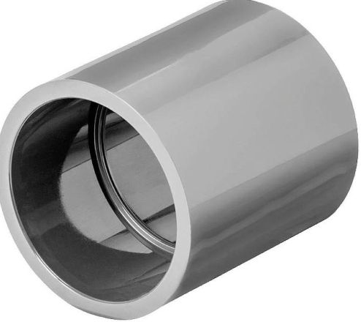
113 | GI Reducing Socket | GI Reducing Socket / Reducing Coupling / GI Female Reducer, A GI Reducing Socket is a galvanized iron (GI) threaded pipe fitting used to connect two pipes of different diameters. It has female threads on both ends, Material: Galvanized Iron (GI), Type: Female × Female threaded fitting, Sizes: 1″ × ¾″, 1¼″ × 1″, 1½″ × 1¼″, 2″ × 1½″, etc.
117 | Compression Coupling | Compression Pipe Coupling / Compression Connector, A Compression Coupling is a pipe fitting used to join two pipes together using compression nuts and sealing rings (ferrules). It provides a watertight connection without welding, soldering, or threading, Sizes: ½″, ¾″, 1″, 1¼″, 1½″, 2″ and larger, Material: Brass, PVC, CPVC, stainless steel,
119 | Brass Pipe Tee | A Brass Pipe Tee is a T-shaped fitting used to connect three pipes or fittings. It allows the pipeline to be divided, combined, or branched in different directions, Main Pipe → Brass Pipe Tee → Branch Connection, Types: Equal Tee, Reducing Tee, Female Tee, Male Tee, Material: Brass, Shape: T-shaped, Connection: Threaded (Male/Female), Common sizes: ½", ¾", 1", 1¼", 1½", 2",
121 | Tee | T-Joint / Tee Fitting, A Tee is a pipe fitting used to connect three pipes and create a branch in a plumbing or piping system. It has one inlet and two outlets, usually at a 90° angle, Types: Equal Tee, Reducing Tee, GI Tee, PVC Tee, CPVC Tee, Brass Tee, CI Tee, PPR Tee, HDPE Tee, Sizes: ½″, ¾″, 1″, 1¼″, 1½″, 2″, 3″, 4″ and larger Connection: Threaded, solvent-weld, push-fit, or grooved,
124 | Lateral Tee | A Lateral Tee is a pipe fitting used to create a branch connection at an angle, rather than the 90° branch of a standard tee. The branch is commonly set at 45° to improve flow and reduce turbulence, Branch angle: Usually 45°, Shape: Y/T-style angled branch, Materials: PVC, UPVC, cast iron, HDPE, Types: Equal Lateral Tee and Reducing Lateral Tee, Sizes: 50 mm, 75 mm, 110 mm, 160 mm,
125 | Brass Reducing Bush | A Brass Reducing Bush is a threaded pipe fitting used to connect two pipes or fittings of different sizes. It reduces the diameter of a threaded opening, allowing a smaller pipe to be connected to a larger fitting, Size : 1" × 3/4", 3/4" × 1/2", 1/2" × 3/8", 2" × 1", Large threaded fitting → Brass Reducing Bush → Smaller pipe/fitting, Type : External (male) thread, Internal (female) thread, Hexagonal body for easy tightening, Material : Made from corrosion-resistant brass, Suitable for hot and cold water applications, Available with BSP, BSPT, and NPT threads, | 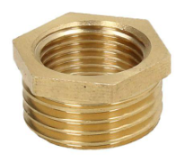
126 | Reducer Bush | A CPVC. PVC Reducer Bush (also called a CPVC Reducing Bush or Reducing Bushing) is a PVC, CPVC fitting used to reduce the size of a pipeline by connecting a larger PVC, CPVC fitting or socket to a smaller PVC, CPVC pipe. It is commonly used in hot and cold water plumbing systems, Connection Type : Socket × Spigot (Solvent Weld), Size Range : 20 × 15 mm, 25 × 20 mm, 32 × 25 mm, 40 × 32 mm, 50 × 40 mm (and larger), Color : Cream / Off-White (manufacturer dependent)
138 | Drain Cover | Floor Drain Cover, Drain Grate, Drain Grating, A Drain Cover is a protective cover installed over a floor drain, channel drain, or manhole opening. It allows water to enter the drainage system while preventing debris, leaves, and large objects from entering, and provides a safe walking or driving surface, Material : Stainless Steel (SS 304 / SS 316), Cast Iron, Ductile Iron, Galvanized Steel, PVC / ABS Plastic, Composite (FRP), Shape : Square, Round, Rectangular, Size : 100 × 100 mm, 150 × 150 mm, 200 × 200 mm, and larger, Surface Type : Slotted, Perforated, Mesh, Heel-Safe, Application : Floor Drains, Channel Drains, Surface Drainage, Type : Square Floor Drain Cover, Round Drain Cover, Channel Drain Grating, Heavy-Duty Cast Iron Drain Cover, Stainless Steel Decorative Drain Cover, PVC Drain Cover, | 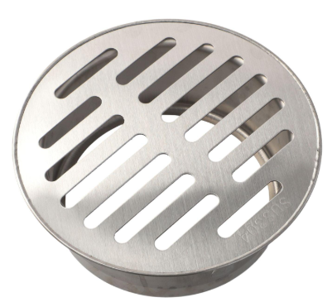
139 | Drain Cover Plate | Floor Drain Cover Plate, Drain Grate Plate, Floor Drain Plate, A Drain Cover Plate is a flat protective cover installed over a floor drain or drainage outlet. It allows water to pass through while preventing debris from entering the drainage system and provides a neat, finished appearance, Shape : Square, Round, Rectangular, Size : 100 × 100 mm, 125 × 125 mm, 150 × 150 mm, 200 × 200 mm, Finish : Mirror Polish, Satin, Chrome, Matte, Type : Square Drain Cover Plate, Round Drain Cover Plate, Perforated Drain Cover Plate, Slotted Drain Cover Plate, Tile Insert Drain Cover Plate, Decorative Drain Cover Plate, | 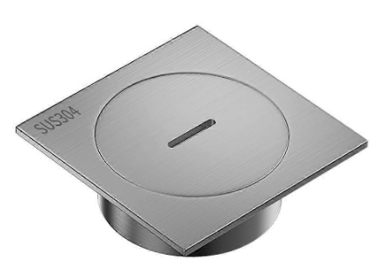
140 | Drain Trap Cover | Floor Drain Cover, Drain Trap Grate, Floor Trap Cover, A Drain Trap Cover is a protective cover fitted over a floor drain or drain trap to allow wastewater to pass while preventing debris, insects, and unpleasant sewer odors from escaping. It also enhances safety and provides a clean, finished appearance, Shape : Square, Round, Standard Size : 100 × 100 mm, 125 × 125 mm, 150 × 150 mm, Finish : Mirror Polish, Satin, Chrome, Matte, Material : Stainless Steel (SS 304), Stainless Steel (SS 316), Brass (Chrome-Plated), PVC, ABS Plastic, Type : Square Drain Trap Cover, Round Drain Trap Cover, Perforated Drain Trap Cover, Slotted Drain Trap Cover, Tile Insert Drain Trap Cover, Heavy-Duty Stainless Steel Drain Trap Cover, | 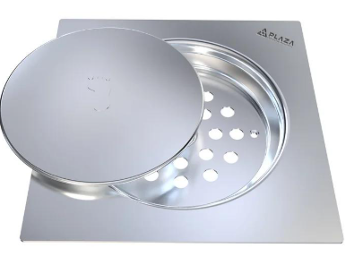
143 | Toilet Seat Cover | A Toilet Seat Cover is the hinged lid fitted on top of a toilet seat. It provides hygiene, privacy, and protection when the toilet is not in use, Materials: PP plastic, UF (urea-formaldehyde), wood, acrylic, Types: Standard, soft-close, quick-release, slim, Note: Toilet Seat Cover usually refers to the lid, while a toilet seat set includes both the seat ring and cover.
148 | Plastic Drain Cover | A Plastic Drain Cover is a lightweight cover or grate fitted over a floor drain to allow wastewater to pass while preventing larger debris from entering the drainage pipe, Material: PVC, PP, ABS plastic, Shapes: Square, round, rectangular, Sizes: 100 × 100 mm, 150 × 150 mm, 200 × 200 mm, Types: Grated, perforated, removable Use: Bathrooms, kitchens, balconies, utility areas,
151 | Towel Rod | Towel Rod — a bathroom accessory used to hang and dry towels. It is generally wall-mounted and available in straight or double-rod designs, Materials: Stainless steel, brass, aluminium, and chrome-plated metal, Sizes: 18", 24", 30", and 32",
152 | Flush Tank | A Flush Tank is a water storage tank used with a toilet (WC) to hold and release water for flushing the toilet bowl. It can be exposed or concealed behind the wall, Material: Ceramic, ABS, PVC, HDPE, Capacity: Usually 6–10 litres, Type: Single Flush, Dual Flush,
159 | Conduit Junction Box | A Conduit Junction Box is an electrical enclosure used to join, split, or redirect electrical conduits and wires. It protects cable connections and provides access for inspection and maintenance, Material: PVC, ABS, Galvanized Steel, Stainless Steel, Aluminum, Shape: Square, rectangular, round, Conduit entries: 20, 25, 32, 40, 50 mm, Protection: IP54, IP55, IP65, IP66 depending on application, Type: Flush-mounted, Surface-mounted, Weatherproof, Waterproof, Size (mm)75 × 75 × 50 mm, 100 × 100 × 50 mm, 100 × 100 × 75 mm, 150 × 150 × 75 mm, 200 × 200 × 100 mm, 300 × 300 × 150 mm , Conduit entry sizes: 20, 25, 32, 40, 50, 63 mm, For procurement, specify Length × Width × Depth (L × W × D) plus material, IP rating, and conduit entry size, | 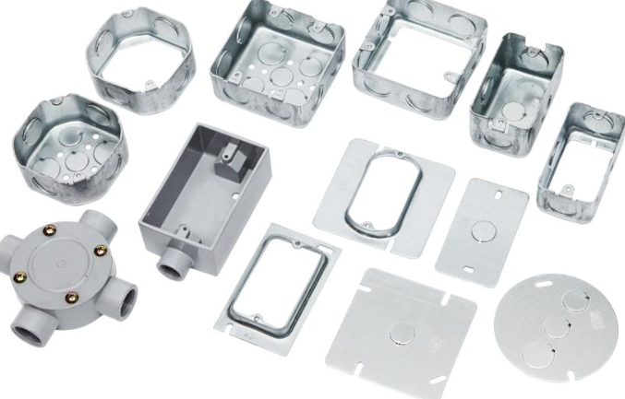
164 | Pipe End Cap | A Pipe End Cap is a fitting used to close or seal the open end of a pipe. It prevents water, air, dirt, or other materials from entering or leaving the pipe, Material: PVC, UPVC, CPVC, Copper, HDPE, GI, Brass, Stainless Steel, Sizes: ½", ¾", 1", 1¼", 1½", 2", 3", 4", 6" and larger, Types: Threaded End Cap, Socket End Cap, Push-Fit, End Cap, Flanged End Cap, Compression End Cap, Shape: Usually round/cylindrical,
167 | CPVC Cleaner | CPVC Cleaner is a chemical preparation used to clean and prepare CPVC (Chlorinated Polyvinyl Chloride) pipes and fittings before applying CPVC solvent cement. It removes dirt, grease, oil, moisture, and surface contaminants to ensure a strong, leak-proof solvent-welded joint, Color : Clear, Container Sizes : 118 ml (4 oz), 237 ml (8 oz), 473 ml (16 oz), 946 ml (32 oz), Compatible Material : CPVC Pipes & Fittings,
168 | CPVC Solvent Cement | CPVC Solvent Cement is a specialized adhesive used to permanently join CPVC (Chlorinated Polyvinyl Chloride) pipes and fittings. It chemically softens and fuses the mating surfaces, creating a strong, leak-proof joint, Color : Yellow, Orange, or Clear (manufacturer dependent), Size : 50 ml, 118 ml (4 oz), 237 ml (8 oz), 473 ml (16 oz), 946 ml (32 oz),
169 | PVC Solvent Cement | PVC Solvent Cement is a chemical adhesive used to join PVC pipes and fittings. It softens the mating PVC surfaces and, as the joint cures, forms a strong, permanent connection, Size: 50 ml, 100 ml, 250 ml, 500 ml, 1 L 4 L, Types: Regular PVC Solvent Cement, Medium-Body PVC Cement, Heavy-Bodied PVC Cement, Fast-Setting PVC Cement, Low-VOC PVC Cement, Note: PVC solvent cement is different from CPVC solvent cement; use the cement specified for the pipe material and application,
175 | Utility Faucet | A Utility Faucet is a general-purpose water tap used for cleaning, washing, filling buckets, laundry areas, utility sinks, garages, workshops, and service areas, Size: ½", ¾",
176 | Health Faucet ( Jet Spray) | A Health Faucet (Jet Spray) is a handheld bathroom spray used for personal hygiene and toilet cleaning. It is connected to the water supply through a flexible hose and operated using a trigger or lever, Handheld spray head, Flexible SS/PVC hose, Wall-mounted holder, Trigger/lever control, Chrome-plated brass, SS, ABS, Connection: ½",
178 | Elbow | Type : 90° Elbow, 45° Elbow, 22.5° Elbow, 180° Elbow (Return Bend), Long Radius (LR) Elbow, Short Radius (SR) Elbow, Nominal Size x Metric (Approx.) : ½" x 15 mm, ¾" x 20 mm, 1" x 25 mm, 1¼" x 32 mm, 1½" x 40 mm, 2" x 50 mm, 2½" x 65 mm, 3" x 80 mm, 4" x 100 mm, 6" x 150 mm, 8" x 200 mm, 10" x 250 mm, 12" x 300 mm, Common material : uPVC / PVC, CPVC, HDPE, PPR Elbow, Mild Steel (MS), Carbon Steel, Stainless Steel (SS304, SS316), Ductile Iron (DI), Cast Iron, Copper, Brass, GI, Grooved Elbow, Connection type : Socket (solvent weld), Threaded (BSP/NPT), Butt weld, Socket weld, Flanged, Compression,
179 | Conduit Elbow | A Conduit Elbow is a fitting used to change the direction of an electrical conduit, typically by 45° or 90°, while protecting and guiding electrical wires and cables, Sizes: 20 mm, 25 mm, 32 mm, 40 mm, 50 mm, Material: PVC, GI/steel, or flexible conduit, Use: Electrical wiring installations, especially at corners and bends.
182 | Coupling | A Female Coupler is a pipe fitting used to join two pipes or connect a pipe to a male-threaded fitting. It has female threads on the inside when used as a threaded fitting, Materials: Brass, GI, SS, HDPE, PVC, CS, Copper, CPVC, Sizes: ½", ¾", 1", 1¼", 1½", 2" ,3", 4" and more, Types: Brass Female Coupler, GI Female Coupler, SS Female Coupler, PVC Female Coupler, CPVC Female Coupler, Female Thread × Female Thread (F × F),
184 | Flex Conduit | A Flex Conduit (Flexible Conduit) is a flexible protective tube used to route and protect electrical cables and wires where movement, bending, or difficult routing is required, Types: PVC Flexible Conduit, Liquid-Tight Flexible Conduit, Metallic Flexible Conduit, Stainless Steel Flexible Conduit, Corrugated Flexible Conduit, Sizes - 16 mm (½"), 20 mm (¾"), 25 mm (1"), 32 mm (1¼"), 40 mm (1½"), 50 mm (2"),
185 | Float Switch | A Float Switch is an electrical level-control device that uses a floating mechanism to detect liquid level and automatically switch a pump, valve, alarm, or other electrical equipment ON or OFF, Water tanks, Sump pumps, Drainage systems, Sewage tanks, Pump automation,Cable lengths: 2 m, 3 m, 5 m, 10 m, Typical rating: 10A / 16A, depending on model,
186 | Pipe Plug | A Plug is a plumbing fitting used to close or seal the end of a pipe, fitting, drain, or unused connection, Types: Brass Plug, GI Plug, PVC Plug, CP Plug, Drain Plug, Threaded Plug, Square Head Plug, Hex Head Plug, Size - ½", ¾", 1", 1¼", 1½", 2", 3", 4" and larger, Materials: Brass, GI, stainless steel, PVC, CPVC, and cast iron,
187 | Nylon Wall Plug | A Nylon Wall Plug is a plastic fixing anchor inserted into a drilled hole in masonry, brick, or concrete. When a screw is tightened, the plug expands inside the hole to securely hold the fixture, Types: Standard Nylon Wall Plug, Expansion Wall Plug, Universal Nylon Plug, Flanged Nylon Plug, Long Nylon Wall Plug, Plug Size, 5 × 25 mm, 6 × 30 mm, 8 × 40 mm, 10 × 50 mm, 12 × 60 mm, Typical Screw - 3–4 mm, 4–5 mm, 5–6 mm, 6–8 mm, 8–10 mm, Material: High-quality nylon/polyamide, Applications: Fixing pipe brackets, taps, sanitary accessories, shelves, wall supports, and other plumbing fixtures, | 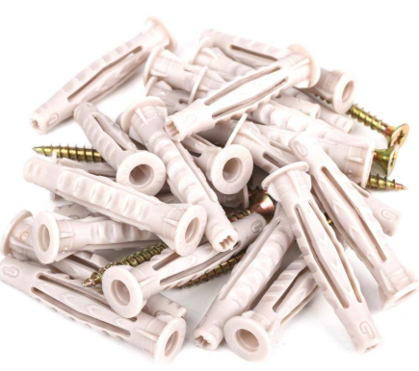
194 | Mixer Basin | A Mixer is a plumbing fixture that combines hot and cold water and allows the user to control the water flow and temperature from one fitting, Types: Basin Mixer, Sink Mixer, Shower Mixer, Wall-Mounted Mixer, Deck-Mounted Mixer, Thermostatic Mixer, Single-Lever Mixer, Sizes / Types -½", Standard Mixer Connection, ¾" Heavy-Duty Mixer, 1"Commercial Mixer, Materials: Brass, stainless steel, chrome-plated brass, and ceramic components,
201 | Pipes | PVC Pipe ( Polyvinyl Chloride ) Water supply, drainage, irrigation, UPVC Pipe ( Unplasticized Polyvinyl Chloride ) Cold water supply, plumbing, CPVC Pipe ( Chlorinated Polyvinyl Chloride) Hot and cold water systems, HDPE Pipe ( High-Density Polyethylene) Water distribution, gas pipelines, PPR Pipe ( Polypropylene Random Copolymer) Hot and cold water plumbing, GI Pipe ( Galvanized Iron) Water supply, fire fighting, scaffolding, MS Pipe ( Mild Steel ) Structural work, fabrication, industrial piping, Stainless Steel Pipe ( Stainless Steel) Food, pharmaceutical, chemical industries, Copper Pipe , Refrigeration, HVAC, plumbing, Cast Iron Pipe ( CI ) Drainage and sewer systems, Ductile Iron Pipe ( DI ) Municipal water supply, Concrete Pipe ( RCC Pipe ) Stormwater drainage, sewage, Acrylonitrile Butadiene Styrene (ABS Pipe ) Drain, waste, and vent systems, Cross-Linked Polyethylene (PEX) XLPE Pipe , Residential plumbing and radiant heating, Flexible Hose Pipe, Garden, irrigation, industrial transfer, Water Supply Pipe, Drainage Pipe, Sewer Pipe, Gas Pipe, Fire Fighting Pipe, Irrigation Pipe, Chemical Process Pipe, Steam Pipe, Oil & Gas Pipeline, HVAC Pipe, ERW (Electric Resistance Welded) Pipe, EFW (Electric Fusion Welded) Pipe, SAW (Submerged Arc Welded) Pipe, Spiral Welded Pipe, Inch (in) x NB (mm) x DN : 1/8" x 6 mm x DN 6, 1/4" x 8 mm x DN 8, 3/8" x 10 mm x DN 10, 1/2" x 15 mm x DN 15, 3/4" x 20 mm x DN 20, 1" x 25 mm x DN 25, 1¼" x 32 mm x DN 32, 1½" x 40 mm x DN 40, 2" x 50 mm x DN 50, 2½" x 65 mm x DN 65, 3" x 80 mm x DN 80, 4" x 100 mm x DN 100, 5" x 125 mm x DN 125, 6" X 150 mm x DN 150, 8" x 200 mm x DN 200, 10" x 250 mm x DN 250, 12" x 300 mm x DN 300, 14" x 350 mm x DN 350, 16" x 400 mm x DN 400, 18" x 450 mm x DN 450, 20" x 500 mm x DN 500, 24" x 600 mm x DN 600, Common Pipe Schedules (Wall Thickness) : Schedule 10, Schedule 20, Schedule 40 (Standard), Schedule 80 (Heavy), Schedule 160 (Extra Heavy), Common Length : PVC/CPVC/UPVC: 3 m and 6 m, GI/MS/SS: 6 m (2 |  | Astral Limited
210 | PVC Conduit Pipe | PVC Conduit Pipe is a rigid plastic pipe, generally made from uPVC/PVC, used to protect and route electrical wires and cables, Material: PVC / uPVC, Sizes: 16, 20, 25, 32, 40, 50 mm, 63, 75, 90, 110 mm, Lengths: Commonly 3 m or 4 m, Types: Light, Medium, Heavy duty, Flexible PVC Conduit,
214 | Shower Hose | A shower hose is a flexible hose that connects a handheld shower head to the water supply outlet or shower mixer, allowing water to flow while enabling the shower head to move freely, Type: Stainless steel shower hose, PVC shower hose, Double-lock shower hose, Anti-twist shower hose, Expandable shower hose, Sizes: 1/2-inch connection (standard), 1.25 m hose, 1.5 m hose, 1.75 m hose, 2 m hose, Materials: Stainless steel, PVC, Brass fittings, EPDM rubber,
215 | Shower Rail Kit | A Shower Rail Kit is a complete shower accessory set that allows a hand shower to be mounted and adjusted vertically on a wall-mounted rail, Shower Slider Rail Kit, Hand Shower Rail Set, Shower Slide Bar Kit, Material: Stainless steel, brass, ABS, or chrome-plated metal, Sizes: 600 mm, 700 mm, 900 mm,
217 | Shower Head SS | A Shower Head is a plumbing fixture that sprays water for bathing, Types: Overhead Shower Head, Rain Shower Head, Hand Shower, Fixed Shower Head, Multifunction Shower Head, Square Shower Head, Round Shower Head, Sizes: 4", 6", 8", 10", 12", Materials: SS, brass, ABS, plastic, Common connection: 1/2" BSP,
218 | Hand Shower | A Hand Shower is a handheld shower spray connected to a flexible hose, allowing the user to direct the water manually, Material: ABS, SS, brass, Types: Single-function, 3-function, 5-function, multi-function, Common connection: 1/2" BSP, Accessories: Shower hose + wall holder,
219 | Washer | Washer — a small flat component placed under a nut, bolt, screw, tap fitting, or plumbing connection to distribute pressure, prevent leakage, or protect the surface. Type: Flat Washer, Spring Washer, Rubber Washer, Fibre Washer, EPDM Washer, PTFE Washer, Lock Washer, Silicon Washer, Copper Washer, Tap Washer, Sealing Washer, SS Washer, Nylon Washer, Size: M4, M5, M6, M8, M10, M12, M16, M20, M24, M30,
226 | Toilet Pan | A Toilet Pan is the main ceramic sanitary fixture used for urination and defecation, connected to the soil/waste pipe and flushing system, Types: Floor-Mounted Toilet Pan, Wall-Hung Toilet Pan, European/Western Toilet Pan, Squatting Toilet Pan, Rimless Toilet Pan, S-Trap Toilet Pan, P-Trap Toilet Pan, Sizes: 500–700 mm length, with outlet sizes commonly 100 mm / 110 mm, Material: Vitreous china / ceramic,
227 | Toilet Paper Holder | A Toilet Paper Holder is a bathroom accessory used to hold and dispense toilet paper conveniently beside the toilet, Types: Wall-Mounted Toilet Paper Holder, Single Roll Holder, Double Roll Holder, Recessed Toilet Paper Holder, Toilet Paper Holder with Cover, Spare Roll Holder, Materials: Stainless steel, brass, aluminium, chrome-plated metal, and ABS plastic,
228 | Urinal | A Urinal is a sanitary plumbing fixture designed primarily for urination. It is commonly installed in commercial, public, and institutional washrooms, Types: Wall-Hung Urinal, Floor-Mounted Urinal, Washout Urinal, Washdown Urinal, Sensor Urinal, Manual Flush Urinal, Small Urinal-300–350 mm wide, Standard Urinal-350–400 mm wide, Large Urinal- 400–500 mm wide, Sensor Urinal-350–450 mm wide, Materials: Vitreous china, ceramic, stainless steel, Accessories: Flush valve, sensor flush system, urinal spreader, waste outlet, trap, and flush pipe,
229 | Cistern | Cistern — a tank that stores water for flushing a toilet (WC). It releases a controlled amount of water into the toilet bowl when the flush is operated, Types: Close-Coupled Cistern, Concealed Cistern, Low-Level Cistern, High-Level Cistern, Dual-Flush Cistern, Capacities: 4.5 L, 6 L, 9 L and 10 L,
230 | Concealed Cistern | Concealed Cistern — a toilet water tank installed inside a wall or behind a false wall/panel, leaving only the flush plate visible. It provides a clean, modern bathroom appearance, Types: Concealed Cistern with WC Frame, Concealed Cistern without Frame, Dual-Flush Concealed Cistern, Pneumatic Concealed Cistern, Capacity: 6 L / 3 L dual flush, 9 L, 10 L, Dimensions: Approximately 400–600 mm H × 350–500 mm W × 80–150 mm D, depending on the model,

